Commands
ID | Describtion | Type | Text | Actions | Database | Argument | Output
Suprocess | Questions: How to save a variable | Q |  | automatically linked to answers below |  |  | [some_variable]
 | Answer | A |  | JUMP() ,LOAD(), GO() |  |  | less_than_1
 | Comment: Klick "okay" to move forward | C |  | Link to Question again - wenn Mehrfachverwendung, dann geht das so nicht. :(
 | Freetext: Text will be safed as variable name of entity | F |  |  |  |  | [some_variable]
 | Product: Show a single Product: Possibility to add to card | P |  |  |  | PZN
 | Netflix-Scroll | N |  |  | Database | [API_category] | [some_variable]
 | Netflix-Scroll: show several products | P:N
 | How to show extractions of a database | N |  |  | SELECT * FROM BRANDS
 | How to show extractions of a database | N |  |  | SELECT * FROM PRODUCT WHERE BrandID == [prev_med_brand]
 | How to show extractions of a database with two conditions | N |  |  | SELECT * FROM PRODUCT WHERE BrandID == [prev_med_brand] AND ID == [SomeID]
 | Alternativ: statt Jump am Ende - Variable setzen - in Übersichtssheet Prozesse aufgrund der Variablen verknüpfen? |  |  |  | SELECT * FROM PRODUCT WHERE BrandID == [prev_med_brand] OR ID == [SomeID]

 |  |  |  |  | (Syntax)
Process/ Scenario | Conditional action, basing on the expression in ... |  |  | JUMP(B) | IF ... THEN ... ELSE
 | Like IF, but negated |  |  | IF [var] == few_days THEN C ELSE D | UNLESS ... THEN ... ELSE
 | Evaluates to TRUE if variable is set by some process |  |  | UNLESS IS_LOADED(D) THEN E ELSE D | [var]
 | Evaluates to TRUE if variable is set by some process to specific value |  |  | IF [var] THEN E ELSE F | [var] == value
 | For each variable [i] in some collection [var] do some action. Let's say it only works for [cart_items] now |  |  | FOR [i] IN [cart_items] DO LOAD(ExplainProduct WITH [i]); LOAD(K) | FOR [i] IN [var] ... DO ...
 | Load the process to the queue for later |  |  | IF IS_NEXT(G) THEN H ELSE I | LOAD(P)
 | Evaluates to TRUE if the process is already loaded in the queue |  |  | IF (IS_LOADED(H) OR [var2] == lol) THEN J ELSE K | IS_LOADED(P)
 | Evaluates to TRUE if the process P is next in queue |  |  | IF IS_NEXT(G) THEN (IF IS_LOADED(K) THEN L ELSE M) ELSE I | IS_NEXT(P)
 | Just go to the next process called P |  |  |  | P
 | JUMP or load to a process P with some variable [var]. This will only be used in FOR loop |  |  |  | P WITH [var]
 | Semi color is used to separate expressions to chain them, like (LOAD(A); B) means load process A in to queue, go to process B |  |  |  | (... ; ...)
 | Evaluates to TRUE if both parts evalues to TRUE |  |  |  | (... AND ...)
 | Evaluates to TRUE if any part evalues to TRUE |  |  |  | (... OR ...)

 | The list of variables to be passed as INPUT to a process. They can be set by some other process before |  |  |  | [var1]; [var2]; ...

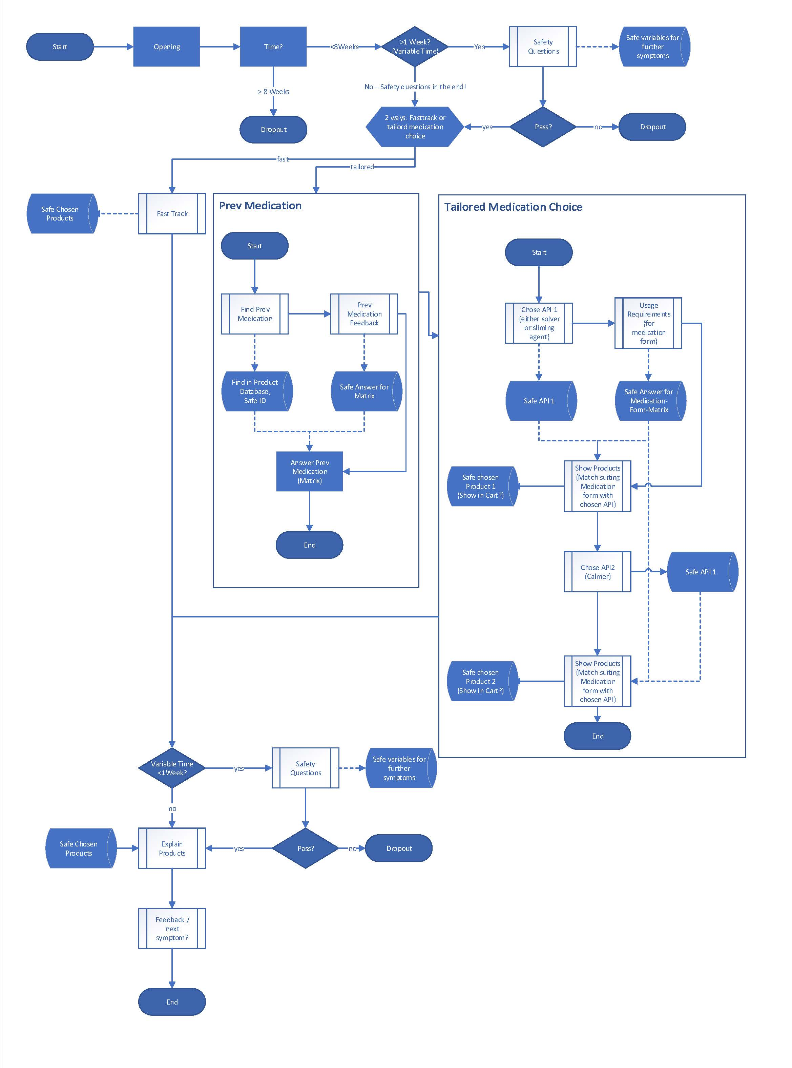
Szenario | First Letter capital
question | small letters
COMMAND | all capital letters
variables | small letters

